20240625TUE
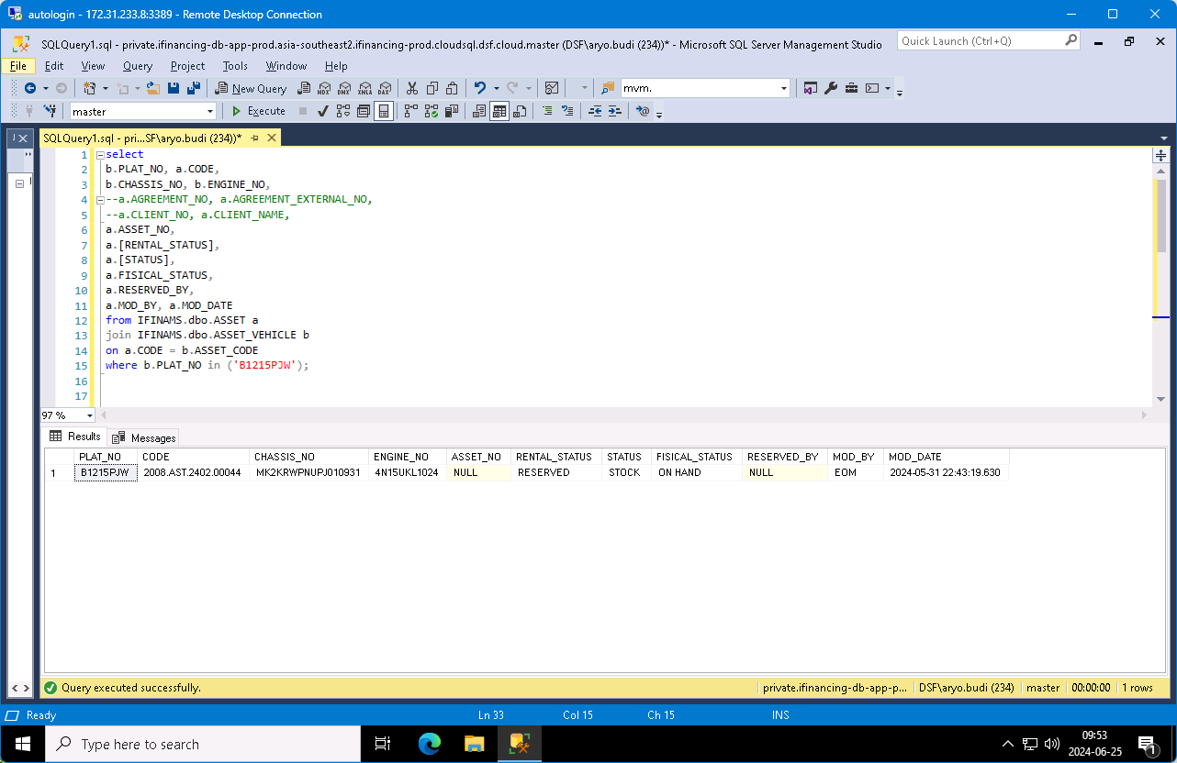

0 | 20240625TUE-001

 | Sabilla Pravita Larrasati (Guest): pagi pak Aryo Budi Dwikarso Prasetyo (Guest) ma...
 | sent on June 25, 2024 9:37 AM

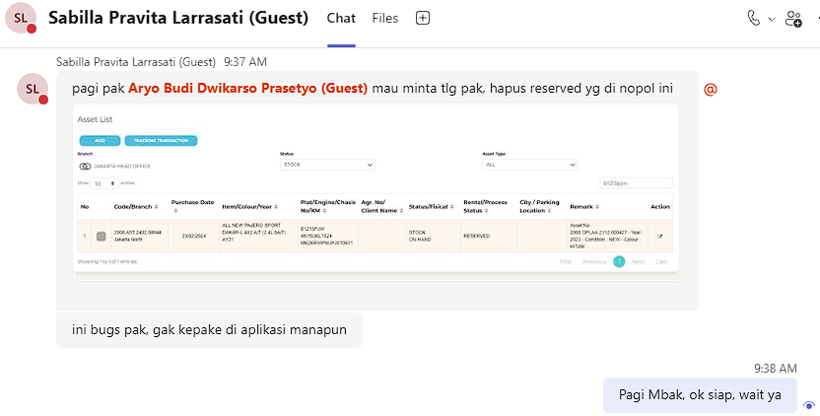

 |  |  |  |  | B1215PJW
 | status asset = stock/replacement | IFINAMS.dbo.ASSET.STATUS | stock / replacement
 | fisical status = on customer/on hand/cancel | IFINAMS.dbo.ASSET.FISICAL_STATUS | on customer / on hand / cancel
 | rental status = in use/reversed | IFINAMS.dbo.ASSET.RENTAL_STATUS | in use / reversed

 | select |  |  | select
 | b.PLAT_NO, a.CODE, |  |  | b.PLAT_NO, a.CODE,
 | b.CHASSIS_NO, b.ENGINE_NO, |  |  | b.CHASSIS_NO, b.ENGINE_NO,
 | a.AGREEMENT_NO, a.AGREEMENT_EXTERNAL_NO, |  |  | a.ASSET_NO,
 | a.CLIENT_NO, a.CLIENT_NAME, |  |  | a.[RENTAL_STATUS],
 | a.ASSET_NO, |  |  | a.[STATUS],
 | a.[RENTAL_STATUS], |  |  | a.FISICAL_STATUS,
 | a.[STATUS], |  |  | a.RESERVED_BY,
 | a.FISICAL_STATUS, |  |  | a.MOD_BY, a.MOD_DATE
 | a.RESERVED_BY, |  |  | from IFINAMS.dbo.ASSET a
 | c.AGREEMENT_NO, |  |  | join IFINAMS.dbo.ASSET_VEHICLE b
 | c.FA_CODE, |  |  | on a.CODE = b.ASSET_CODE
 | c.ASSET_NO, |  |  | where b.PLAT_NO in ('B1215PJW');
 | d.AGREEMENT_STATUS,
 | c.FA_REFF_NO_01, |  |  | begin tran;
 | c.FA_REFF_NO_02,
 | c.FA_REFF_NO_03 |  |  | update IFINAMS.dbo.ASSET
 | from IFINAMS.dbo.ASSET a |  |  | set
 | join IFINAMS.dbo.ASSET_VEHICLE b |  |  | RENTAL_STATUS = null,
 | on a.CODE = b.ASSET_CODE |  |  | MOD_BY = 'Aryo Budi', -- EOM
 | left join IFINOPL.dbo.AGREEMENT_ASSET c |  |  | MOD_DATE = getdate() -- 2024-05-31 22:43:19.630
 | on a.CODE = c.FA_CODE |  |  | where CODE = '2008.AST.2402.00044';
 | left join IFINOPL.dbo.AGREEMENT_MAIN d
 | on c.AGREEMENT_NO = d.AGREEMENT_NO |  |  | rollback tran;
 | where b.PLAT_NO in ('B1215PJW') |  |  | --commit tran;
 | --and d.AGREEMENT_STATUS = 'GO LIVE'

 | select a.*
 | from IFINOPL.dbo.AGREEMENT_ASSET a
 | where a.AGREEMENT_NO = replace('0002141/4/38/03/2024', '/', '.')
 | and a.ASSET_NO = '0000401.4.01.12.2019-13';

 | begin tran;

 | update IFINAMS.dbo.ASSET
 | set
 | AGREEMENT_NO = replace('0002141/4/38/03/2024', '/', '.'),
 | AGREEMENT_EXTERNAL_NO = '0002141/4/38/03/2024',
 | CLIENT_NO = '1000CUST20231200219',
 | CLIENT_NAME = 'PUTRA MULIA TELECOMMUNICATION',
 | --ASSET_NO = '2010.OPLAA.2403.000024',
 | RENTAL_STATUS = 'IN USE', -- RESERVED
 | FISICAL_STATUS = 'ON CUSTOMER' -- ON HAND
 | where CODE = '4120039743';

 | --delete IFINOPL.dbo.AGREEMENT_ASSET
 | --where AGREEMENT_NO = replace('0000401/4/01/12/2019', '/', '.')
 | --and ASSET_NO = '0000401.4.01.12.2019-13';

 | rollback tran;
 | --commit tran;

 | BEFORE |  |  |  |  | AFTER

